Legend-SCS
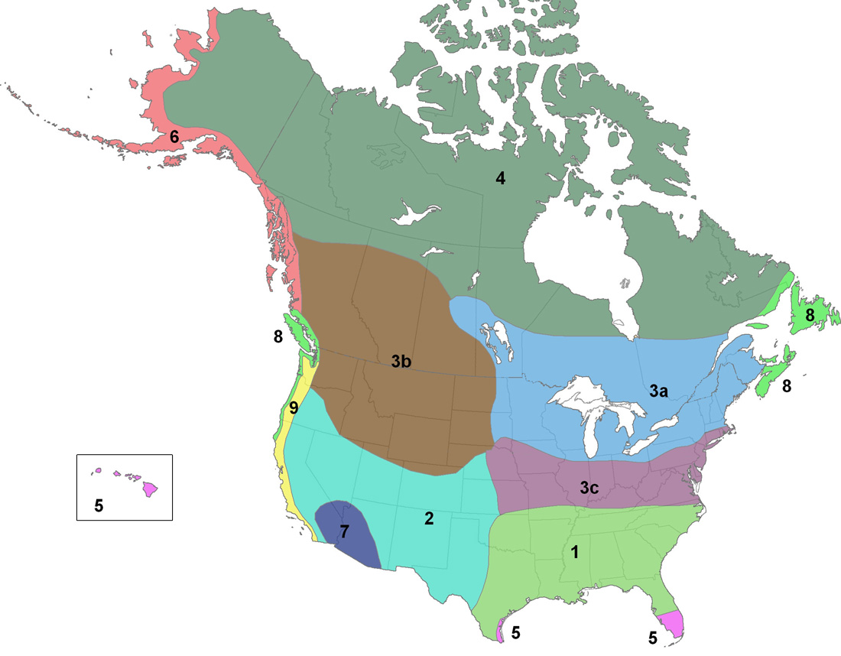
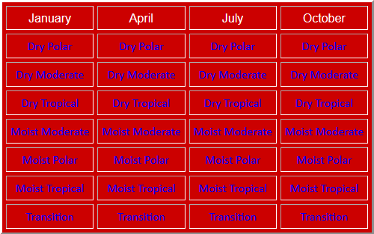

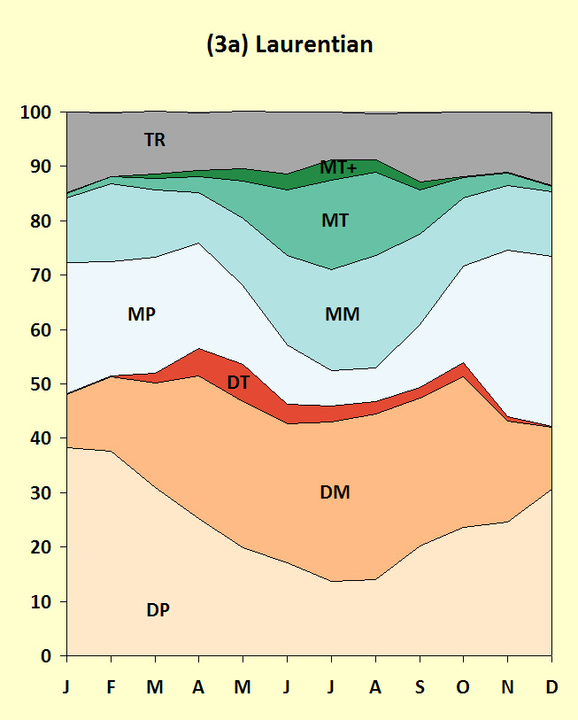
3a (labelled as 31)

Laurentian
58 stations
Captial: Alpena, MI

Of the three mid-latitude subzones, this zone features the most variability, with considerable difference between winter and summer, and the presence of all weather types throughout the summer, with limited tropical influence in the winter.

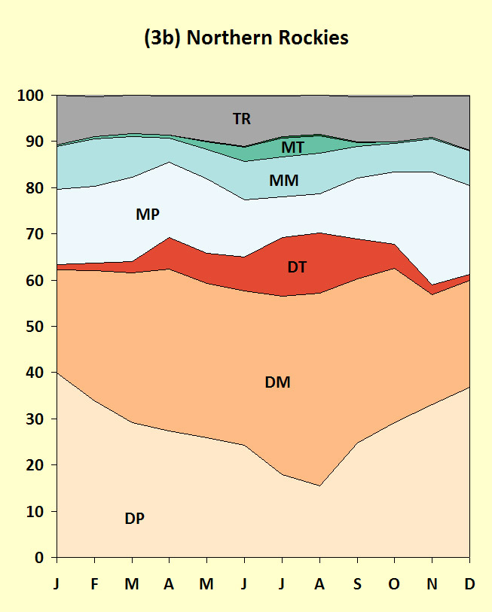
3b (labelled as 32)

Northern Rockies
33 stations
Capital: Glasgow, MT

Farther west of Zone 3a, this zone features much more limited MT-penetration. With high terrain nearby, there is some incidence of DT year-round, but also greater MP occurrence than in other temperate zones.

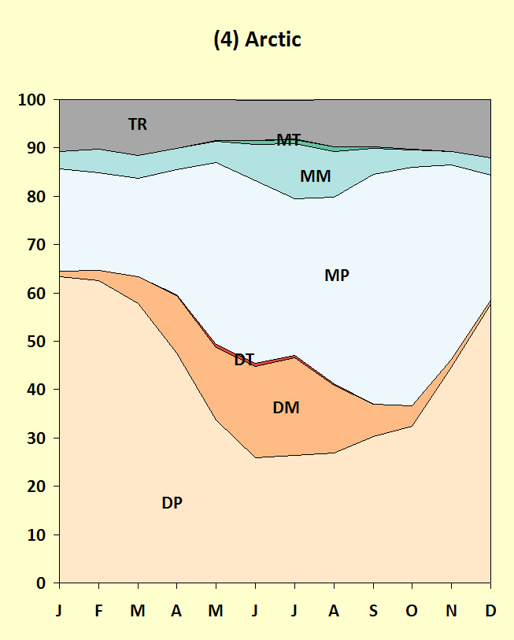
4

Arctic
37 stations
Captial: Schefferville, QC

This zone is most directly affected by the Arctic, with an abundance of polar weather types, with DP peaking in late winter, and MP peaking at the autumn ice minimum.

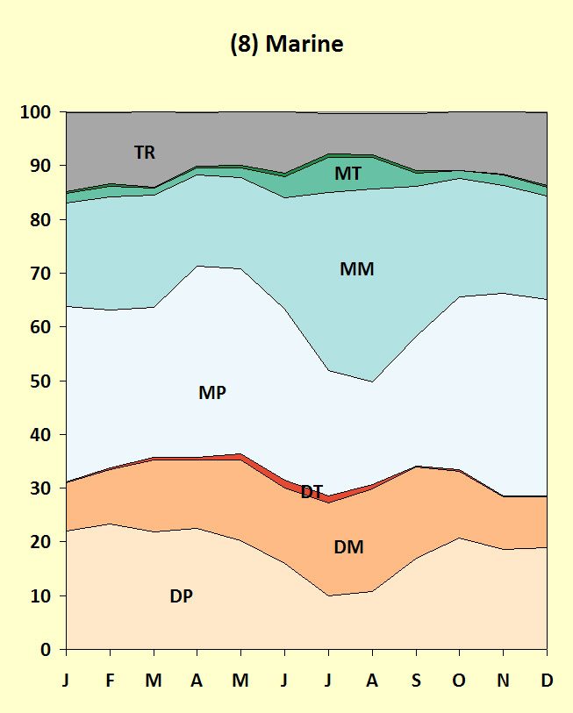
8

Marine
16 stations
Capital: Halfiax, NS

This climate zone is quite similar to Zone 6, although with the stations farther south, warmer waters bring MM days more frequently, with MT occurring on occasion in summer. This climate zone also has the highest TR frequency of the lot.

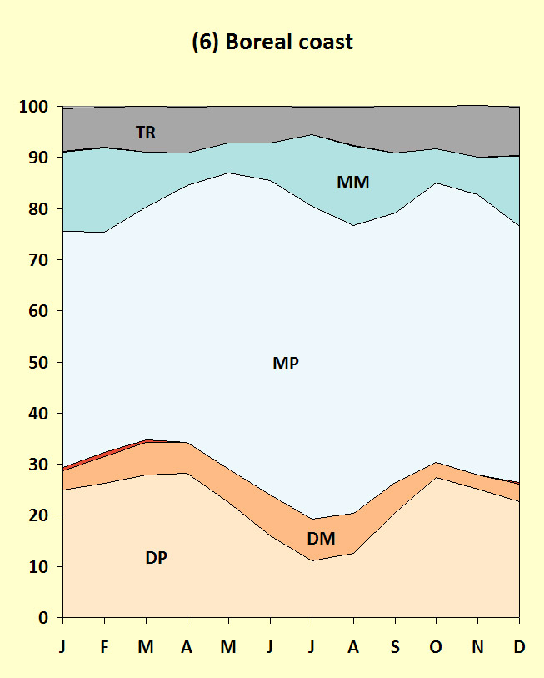
6

Boreal coast
15 stations
Capital: Yakutat, AK

Dominated by adjacent cold ocean waters, this climate zone is dominated by the MP weather type, which makes up over half of the average calendar. Dry Polar is common in the winter months, and MM occurence varies from station to station, based on proximity to a milder oceanic fetch on occasion.

Legend-Koeppen
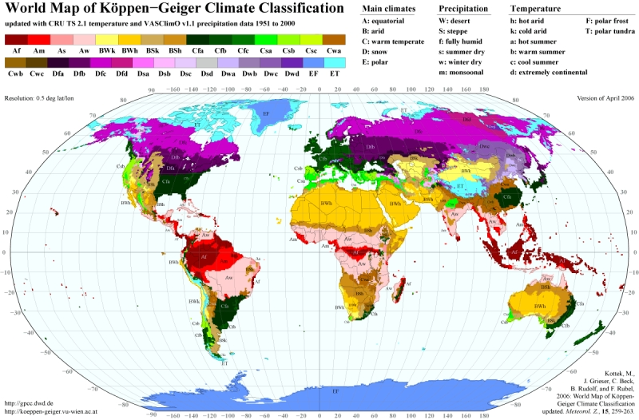
11 ... Af
12 ... Am
13 ... As
14 ... Aw |  |  | 35 ... Csb | Warm temperature, steppe, warm summer
21 ... BWk |  |  | 42 ... Dfb | Snow, fully humid, warm summer
22 ... BWh |  |  | 43 ... Dfc | Snow, fully humid, cool summer
26 ... BSk | 0.68800478612 | (tan coloured)_ | 47 ... Dsc | Snow, summer dry, cool summer
27 ... BSh |  | Combuned with Dfb | 62 ... ET | Polar, tundra
31 ... Cfa
32 ... Cfb | 0.62817828298
33 ... Cfc | 0.13460963207
34 ... Csa
35 ... Csb | 0.059826503141 | TOTAL
36 ... Csc |  | 0.82261441819
37 ... Cwa
38 ... Cwb |  |  |  |  | 35 ... Csb | marine (west only)
39 ... Cwc |  |  |  |  | 42 ... Dfb | east central
41 ... Dfa |  |  |  |  | 43 ... Dfc | sub-polar
42 ... Dfb | 11.800777745 |  |  |  | 47 ... Dsc | boreal
43 ... Dfc | 46.335626683 |  |  |  | 62 ... ET | polar
44 ... Dfd
45 ... Dsa
46 ... Dsb | 0.044869877356
47 ... Dsc | 1.9742746036 | TOTAL
48 ... Dsd |  | 2.019144481
49 ... Dwa
50 ... Dwb
51 ... Dwc
52 ... Dwd
61 ... EF | 1.6452288364
62 ... ET | 36.688603051 | TOTAL
 |  | 38.333831888

SUM | 96.859108585

